master sheet
SR. NO. | Functionality id | Function name | Test steps | Test Data | Expected outcomes | Actual Outcomes | Status
 |  |  |  | 1. Home page
1 | 1 | start your monkeybox | 1.click on start your monkeybox button 2.Enter mobile number 3. click on continue | mobile number :- 9426521130 | when enter mobile number and click on continue otp send on mobile num | AS PER EXPECTETION | PASS
1.1 | 1 | Log in | 1. Enter otp 2. click on login | Otp :- 0369 | When enter otp succesfully logging and goes to next page | AS PER EXPECTETION | PASS
1.2 | 1 | Edit number | 1. click on Edit number button | NA | When click on edit number go back and option for edit number | AS PER EXPECTETION | PASS
1.3 | 1 | Create profile | 1. Enter your name 2. enter your email 3. enter Referral code (optional) 4. click on Let us start | mobile number :- 9452136485 | Easily create Account | Many bugs 1. Black page screen sometime 2. profile got added twice 4. Back option not available | FAIL
2 | 2 | Log in to your account | 1. Enter your mobile number 2. Enter Otp 3. click on continue | mobile number :- 9426521130 Otp :- 0369 | Easily log in and goes to app home page | AS PER EXPECTETION | PASS
Note :- 1. The login to your account button provided within start your monkey box and login to your account section is also not working and is useless |  |  |  |  |  | 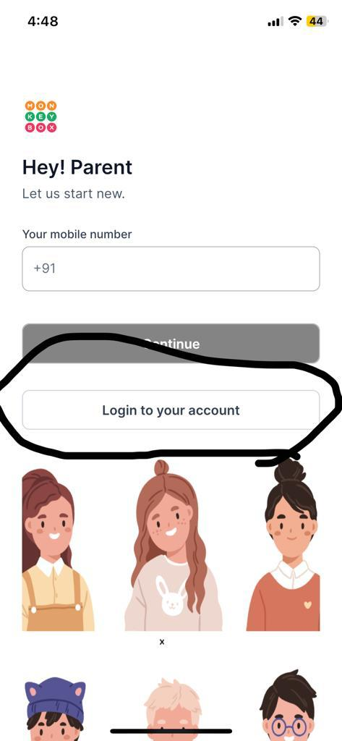
Note :-2 Resend otp after some time
3 | 3 | View other plans | 1. click on view plans | NA | A list of all plans should open when the view plan button is clicked | AS PER EXPECTETION | PASS
3.1 | 3 | All plans | 1. Click on view plans 2. Click on All plans | NA | A list of all plans(ig. yearly, monthly, weekly etc.) should open when the All plan button is clicked | What should be shown here shows all plans but shows an additional on demand plan 270 / 1day which needs to be removed | FAIL
3.2 | 3 | Yearly plans | 1. Click on view plans 2. Click on Yearly plan | NA | A list of yearly plans should open when the yearly plan button is clicked | AS PER EXPECTETION | PASS
3.3 | 3 | Monthly plans | 1. Click on view plans 2. Click on Monthly plans | NA | A list of monthly plan should open when monthly plan button is clicked | AS PER EXPECTETION | PASS
3.4 | 3 | Weekly plans | 1. Click on view plans 2. Click on weekly plan | NA | A list of weekly plan should open when weekly plan button is clicked | AS PER EXPECTETION | PASS
3.5 | 3 | Lunch only plans | 1. Click on view plans 2. click on lunch only plans | NA | A list of lunch only plan should open when lunch only plans button is clicked | But when in the list of lunch only plan of 13000/200 day is not included | FAIL
3.6 | 3 | Breakfast+lunch plans | 1. Click on view plans 2. Click on Breakfast+lunch plans | NA | A list of Breakfast+lunch plan should open when breakfast+lunch plans button is clicked | Breakfast+lunch planlist also shows breakfast+lunch+snacks plans. | FAIL
3.7 | 3 | Breakfast+lunch plans+snacks | 1. Click on view plans 2. Click on Breakfast+lunch+snacks plans | NA | A list of breakfast+lunch+snacks plan should open when breakfast+lunch+snacks plans button is clicked | AS PER EXPECTETION | PASS
3.8 | 3 | Get started | 1. click on view plans 2. click on get started 3. select date 4. pay now | NA | Subscription plan add successfully | AS PER EXPECTETION | PASS
Note :- 3. Edit in plan setting flow at home page after purchese subscription. currently its goes to profile but need to goes on directly plan setting.
3.9 | 3 | Terms & conditions | 1. click on view plans 2. click on terms & conditions | NA | should shown terms & condition releted particular plan. | AS PER EXPECTETION | PASS
3.11 | 3 | Talk to sales | 1. Click on view plans 2. click on talk to sales | NA | should show contact of sales team contact and user can call directly form there | AS PER EXPECTETION | PASS
3.12 | 3 | skip & view menu | 1. click on view plans 2. Click on skip & view menu | NA | back to home page when clicked on skip & view menu button | AS PER EXPECTETION | PASS
4 | 4 | Your children | 1. click on your children button | NA | when click on children button should opens all child details | AS PER EXPECTETION | PASS
4.1 | 4 | Switch profile | 1.click on your children button 2. click on the child you want to select | NA | when the child is selected his profile should be opened | AS PER EXPECTETION | PASS
4.2 | 4 | Add another child | 1. click on children button 2. click on Add another child button | NA | When click on add child profile the child should be successfully added after entering the details of the newly added child and his/her school | AS PER EXPECTETION | PASS
4.3 | 4 | Edit Parents account details | 1. Click on children button 2. click on Edit parent account details | NA | When click on Edit parent account details edit option should open edit details page and here also option to update or submit button after emntering details. | AS PER EXPECTETION | PASS
4.4 | 4 | Help | 1. Click on children button 2. click on help | NA | When click on help should open coustomer support contact or details | AS PER EXPECTETION | PASS
4.5 | 4 | FAQ | 1. Click on children button 2. Click on FAQ | NA | When click on FAQ should open FAQ page | AS PER EXPECTETION | PASS
4.6 | 4 | Log out | 1. Click children button 2. Click on log out button | NA | When click on log out should successful log out | AS PER EXPECTETION | PASS
5 | 5 | select date | 1. Click on select date button 2. select date 3. click on apply | NA | After selecting that date, the items menu of that date should be opened while applying | AS PER EXPECTETION | PASS
6 | 6 | Breakfast button | 1. click on breakfast | NA | Clicking on the breakfast button should open the breakfast menu for the selected date | AS PER EXPECTETION | PASS
7 | 7 | Lunch button | 1. Click on lunch | NA | Clicking on the lunch button should open the lunch menu for the selected date | AS PER EXPECTETION | PASS
8 | 8 | Snacks button | 1. Click on snacks | NA | Clicking on the snacks button should open the snacks menu for the selected date | AS PER EXPECTETION | PASS
9 | 9 | product description | 1. click on product | NA | clicking on the product should open product description | AS PER EXPECTETION | PASS
10 | 10 | plus button (add qty) | 1. click on plus icon | NA | Cliking on the plus icon should add qty and Qty should be added as many times as clicked | AS PER EXPECTETION | PASS
11 | 11 | Continue order button | 1. click on Continue order button | NA | Clicking on continue order should goes to orders(cart) section. | AS PER EXPECTETION | PASS

 |  |  |  | 2. Orders page

1 | 1 | select date | 1. Click on select date button 2. select date 3. click on apply | NA | When a date is selected orders for that date added to the cart should show | AS PER EXPECTETION | PASS
2 | 2 | Cancellation policy link | 1. Click on cancellation policy link | NA | When click on Cancellation policy link should open cancellation conditions | AS PER EXPECTETION | PASS
3 | 3 | Promo code (if available) | 1. click on promo code | NA | The discount that is applicable should be applied when the prom code is entered and clicked | AS PER EXPECTETION | PASS
4 | 4 | Pay from your wallet button (if balance sufficiant to make order) | 1. click on pay from your wallet | NA | When click on Pay from your wallet button and sufficiant balace to make order should order successfully placed. | AS PER EXPECTETION | PASS
4.1 | 4 | Pay Now (if not balance sufficiant to make order) | 1. click on pay now | NA | when not sufficient blance in wallet and cliked on pay now button should open Razopay payment page | AS PER EXPECTETION | PASS
5 | 5 | Cancel order (It shows after place order ) | 1. click on cancel order | NA | succesfully cancel order | AS PER EXPECTETION | PASS
6 | 6 | Edit order (It shows after place order ) | 1. Click on Edit order | NA | should go back to home and user can edit your choice | AS PER EXPECTETION | PASS
7 | 7 | Place order (it shows after Edit order ) | 1. Click on Edit order 2. edit your choice 3. click on place order | NA | after edit order click on place edited order placed succesfully | AS PER EXPECTETION | PASS
8 | 8 | view all orders button | 1. click on view all orders | NA | when click on view all orders should opens all orders history | AS PER EXPECTETION | PASS

 |  |  |  | 3. Profile page

1 | 1 | Edit child details | 1. click on Edit 2. edit details 3. click on updated child | NA | When edit child details then update should outside shows updated details. | AS PER EXPECTETION | PASS
2 | 2 | Edit school details | 1. Click on edit 2. edit school details 3. click on update child | NA | When edit school details then update should outside shows updated details. | AS PER EXPECTETION | PASS
3 | 3 | Add subscription plan button | 1. click on add subscription plan button | NA | When click on add subscription plan should open plan list | AS PER EXPECTETION | PASS
4 | 4 | Cancel plan button (if subscription available | 1. click on cancel plan button | NA | when click on cancel plan after confirmation successfully cancel plan | AS PER EXPECTETION | PASS
5 | 5 | pause plan | 1. select which date's delivery wish to pause 2. click on pause plan | NA | After the day on which the delivery is selected to be paused the delivery of that day should be canceled and one day extend to the plan | AS PER EXPECTETION | PASS
6 | 6 | Que another plan | 1. click on Que another plan | NA | When Que another plan is clicked. the plan list will open and the user should be able to purchase a new plan by selecting the plan start date from the day after the expiry date of the current plan. | AS PER EXPECTETION | PASS
7 | 7 | Subscription history | 1. click on subscription history | NA | when cliked on subscription history should open all subscription history | AS PER EXPECTETION | PASS
8 | 8 | Wallet transaction history | 1. click on wallet transaction history | NA | when clicked on wallet transaction history should open all wallet transactions | AS PER EXPECTETION | PASS
9 | 9 | Transfer Balance (To another child account ) | 1. click on transfer balance button 2. select child which you have transfer to this account 3. enter amount and transfer | NA | succesfully transfer balance deduct balance from cuurent child profile and credit balance to another child account which selected. | AS PER EXPECTETION | PASS
10 | 10 | Recharge button | 1. Enter amount/select amount 2. click on add money | NA | when enter / select amount and cliked on add money should goes to razorpay payment page. | AS PER EXPECTETION | PASS

